Revision History and Contacts
Required Information for Set Up:
- We will be authenticating with Certificates, we need to know if the Vendor can procure their own Certificate or not. With that, we'll also need the public key portion.
- Vendor API endpoint to send Notifications to
- Authentication required by that API
It would be best if the information provided was the same as ELT
When you are able to provide the above information please follow these steps: 1. Provide all the information in the 1 email if possible
1a. Testing and Production Certificate with public keys
1b. Your REST API endpoint that we can send Title Notifications to
1c. Authentication required by your API
2. Set the Subject of the email as "PTLR Vendor Setup for: *Vendor Name Here*"
3. Email to: HELPDESK@dor.ms.gov
4. If you have any development related questions, please direct them to the Contact emails below and not HelpDesk
Contacts: - Application Developers Manager: Geralline.Wilkerson@dor.ms.gov
- Project Manager: Chantell.Barnes@dor.ms.gov
Revision History

Date | Author | Version # | Description of Change
2025-01-31 | Kaleb Spraker | 1.0.0 | Initial Documentation
2025-03-19 | Kaleb Spraker | 1.0.1 | Updated Error Codes
2025-03-27 | Chantell Barnes | 1.0.2 | Updated title number details and description
2025-04-22 | Kaleb Spraker | 1.0.3 | Added new Error Codes
2025-12-11 | Kaleb Spraker | 1.0.4 | Added NOTPPRTTL Error Code

HTTP Request And Parameters
The PTLR (Paper Title Lien Release) API will allow lienholders to electronically release their Paper Titles without creating nor printing a new Title
The Request Parameters sheet details all the required and optional information we need in order to complete processing.
The Notification To Vendor sheet details what the vendor will be recieving once processessing has completed.
Once the Vendor sends our API a request, the Vendor, Title, and VIN are validated. If Validation passes, the Vendor will receive a Success response. If Validation fails, the Vendor will receive a failed response. If FEIN for the Lienholder is not provided but validation completes, the Vendor will receive a Success response; however, the lien will not be released from the Paper Title till DOR confirms the Lienholder, Vendor, and Title are connected.
The DOR has the ability to rejected or approve the PTLR request. If approved, the vendor will receive a success Notification. If rejected, the vendor will receive a rejected Notification.
Header | Data Type | Details | Description
fast-apicallinfo-id | String | Optional Maximum Length: 54 Minimum Length: 54 | API call ID for this API call.
fast-apicallinfo-start | DateTime | Optional, Format: "yyyy-MM-dd'T'HH:mm:ss.ffff'Z'" | API call processing start for this API call.
fast-apicallinfo-end | DateTime | Optional, Format: "yyyy-MM-dd'T'HH:mm:ss.ffff'Z'" | API call processing end for this API call.
Testing URL: https://mvt-elt.dor.ms.gov/WS/PaperTitleLienRelease/
Production URL: https://marvin-elt.dor.ms.gov/WS/PaperTitleLienRelease/

Request Parameters
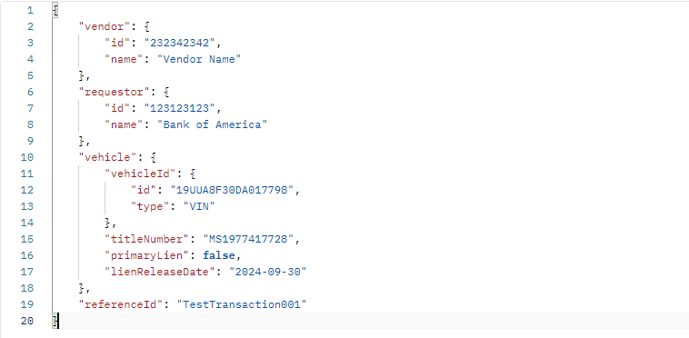
{
"vendor": {
"id": <String>,
"name": <String>
},
"requestor": {
"id": <String>,
"name": <String>
},
"vehicle": {
"vehicleId": {
"id": <String>,
"type": <String>
},
"titleNumber": <String>,
"primaryLien": <Boolean>,
"lienReleaseDate": <Date>
},
"referenceId": <String>
}
Parameter | Data Type | Details | Description
vendor | Object |  | Object containing details of the originating vendor for this API call.
vendor.id | String | Maximum Length: 30 Minimum Length: 1 | FEIN for vendor.
vendor.name | String | Maximum Length: 100 Minimum Length: 1 | Name of the originating vendor for this API call.
requestor | Object |  | Object containing details of the originating vendor for this API call.
requestor.id | String | Optional Maximum Length: 30 Minimum Length: 1 | FEIN of the business/lienholder requestor for this API call.
requestor.name | String | Maximum Length: 100 Minimum Length: 1 | Name of the originating requestor for this API call.
vehicle | Object |  | Object containing details of the vehicle to be operated on with this API call.
vehicle.vehicleId | Object |  | Object containing identifier of the vehicle to be operated on with this API call.
vehicle.vehicleId.id | String | Maximum Length: 30 Minimum Length: 1 | Identifier of the vehicle to be operated on with this API call.
vehicle.vehicleId.type | String | Maximum Length: 6 Minimum Length: 1 | Type of identifier of the vehicle to be operated on with this API call. (VIN)
vehicle.titleNumber | String | Maximum Length: 12 Minimum Length: 7 | Title number of the vehicle to be operated on with this API call. Do not include any special characters including dashes.
vehicle.primaryLien | Bool |  | States if the lien being released is the primary lien. If it is secondary, put false.
vehicle.lienReleaseDate | Date | Format: yyyy-MM-dd | Date the Lien was Released.
referenceId | String | Optional Maximum Length: 50 Minimum Length: 1 | Associated reference ID which prompted this API call.

Example Payload

Response Parameters
HttpStatus: 200 - OK
{
"requestId": <String>,
"referenceId": <String>,
"aPICallInfo": {
"id": <String>,
"start": <DateTime>,
"end": <DateTime>
},
"success": <Boolean>,
"error": [
{
"code": <String>,
"message": <String>
}
]
}
Response Parameters
Parameters | Data Type | Details | Description
requestId | String | Maximum Length: 50 Minimum Length: 50 | Unique identifier for this specfic transaction.
referenceId | String | Optional Maximum Length: 50 | Unique identifier for this specfic transaction.
aPICallInfo | Object |  | API call processing information for this API call.
aPICallInfo.id | String | Maximum Length: 54 Minimum Length: 54 | API call ID for this API call.
aPICallInfo.start | DateTime | "yyyy-MM-dd'T'HH:mm:ss.ffff'Z'" | API call processing start for this web service call.
aPICallInfo.end | DateTime | "yyyy-MM-dd'T'HH:mm:ss.ffff'Z'" | API call processing end for this web service call.
success | Boolean |  | Indicates if this operation was successful.
error | Array |  | Errors that occurred during method call
error[] | Object | Optional | Error that occurred during method call
error[].code | String | Maximum Length: 12 | Internal code associated with this error
error[].message | String | Maximum Length: 1,000 | Message describing this error.

 |  | HttpStatus | Error Codes | Error Message
 |  | 400 | EXCPTN | There was an unexpected Error during the processing of this request.
 |  | 400 | FIELD | Custom error message if there were any header format issues.
 |  | 400 | JSON | Custom error message if there were any JSON format issues in the request body.
 |  | 400 | LNHNOTFND | Lienholder on Title not associated with Requestor ID provided.
 |  | 400 | NOPRMLNH | There is no Primary Lienholder on this Title.
 |  | 400 | NOSECLNH | There is no Secondary Lienholder on this Title.
 |  | 400 | NOTPPRTTL | Title in request is not a Paper Title and cannot be used for Paper Title Lien Releases.
 |  | 400 | NOVHCINF | No vehicle information found, Vehicle ID and Title Number must be provided.
 |  | 400 | REQINRVW | There is an active PTLR review item for this VIN/Title, preventing additional requests.
 |  | 503 | RETRY | Service is temporarily unavailable, please try again.
 |  | 400 | TTLNOTFND | Title not found in system.
 |  | 400 | VHCNOTFND | Vehicle not found in system.
 |  | 400 | VHCTRANSFER | There is a Vehicle Transfer in progress for this VIN.
 |  | 400 | VHCTTLMSMTCH | Title not associated with Vehicle.
 |  | 401 | VNDNOTAUTH | Vendor not authorized or Vendor was not found in Request.

Notification To Vendor
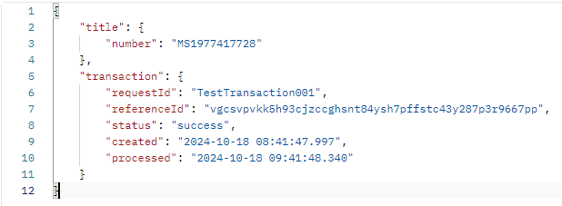
Parameter | Data Type | Details | Description
title | Object |  | Object containing details of the originating Title for this API call.
title.number | String | Min: 1, Max: 30 | Number of title of vehicle associated with this status notification. | transaction.Status Possible Values
transaction | Object |  | Object containing transaction info on the vehicle associated with this status notification. | Status | Description
transacton.requestId | String | Min: 50, Max: 50 | Request ID of transaction performed on vehicle associated with this status notification. | success | Transaction is Complete.
transaction.referenceId | String | Min: 1, Max: 50 | Reference ID of transaction performed on vehicle associated with this status notification. | rejected | Transaction has been Rejected.
transaction.status | String | Min: 7, Max: 8 | Status of transaction performed on vehicle associated with this status notification.
transaction.created | DateTime | "yyyy-MM-dd'T'HH:mm:ss.ffff'Z'" | Created date of transaction of vehicle associated with this status notification.
transaction.processed | DateTime | "yyyy-MM-dd'T'HH:mm:ss.ffff'Z'" | Processed date of transaction of vehicle associated with this status notification.

Example Payload

